Set 1
S. no. | NOS | PC | Marks | Difficulty | Question | Option A | Option B | Option C | Option D | Answer
1 | G&J/Q3601 | PC12 | 1 | Easy | One Carat is divided into | 100 points | 50 points | 10 points | 25 points | A
2 | G&J/Q3601 | PC3 | 1 | Easy | Which of the following options shows the correctly labelled shape? | 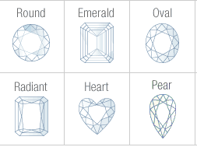 | 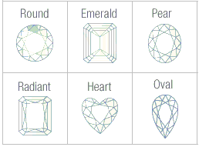 | 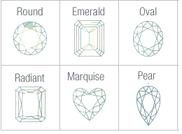 | 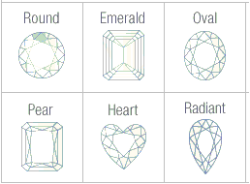 | A
3 | G&J/N9902 | PC3 | 1 | Medium | If a worker notices a potential problem in a work process, what must he/ she do? | Report the spotted issue to the supervisor or colleague depending upon the situation. | Solve the issue by himself/ herself. | Wait for a couple of days for the issue to get resolved on its own. | None of these. | A
4 | G&J/N9902 | PC2 | 1 | Easy | You are asked to check manufactured pieces as a part of master follow up. You should ________ . | Always wear mask while checking the piece | Use hand gloves before touching the piece and keep a tray beneath | Touch the piece without hand gloves | Use microscope for checking the piece | b
5 | G&J/N3603 | PC2 | 1 | Difficult | Which among the following is not a term associated with rough diamond classification? | Checking the weight and number of stones. | Do a basic sorting based on shape and size | Using a sieve to classify the diamond based on size | Designing the jewellery | D
6 | G&J/N3603 | PC3 | 1 | Easy | From which parent rock are diamonds mined? | Sawing | Suturing | Cleavage | Cutting | B
7 | G&J/N3603 | PC4 | 1 | Easy | One Carat is equal to | Bauxite | Pegmatitis | Kimberlite | Kryptonite | C
8 | G&J/N3604 | PC2 | 3 | Medium | Which of the following is NOT a process in the final assorting of polished diamonds? | Assorting diamonds based on the 4 C's | Ensure the quality and productivity of assorted diamonds. | Ensuring process compliance. | All of these | D
9 | G&J/N3604 | PC4 | 2 | Easy | What kind of cloth is used to clean the polished diamonds? | Nylon | Rayon | Lint free | Silk | C
10 | G&J/N3605 |  | 2 |  | Which of the following roughs would you consider "Makeable"? | Roughs which need to be cut to remove certain inclusions or to attain maximum value. | Roughs that will not be processed as they add no value. | Roughs which are ready to be sent for production. | Rough which as per company policy are processed outside. | C
11 | G&J/N3605 |  | 3 |  | Which of the following roughs would you consider "Cleavable"? | Roughs that cannot be cleaved manually, sawing is required | Roughs that can be cleaved manually, sawing is not required. | Roughs which are ready to be sent for production. | None of these | B

